Dataset Coverage
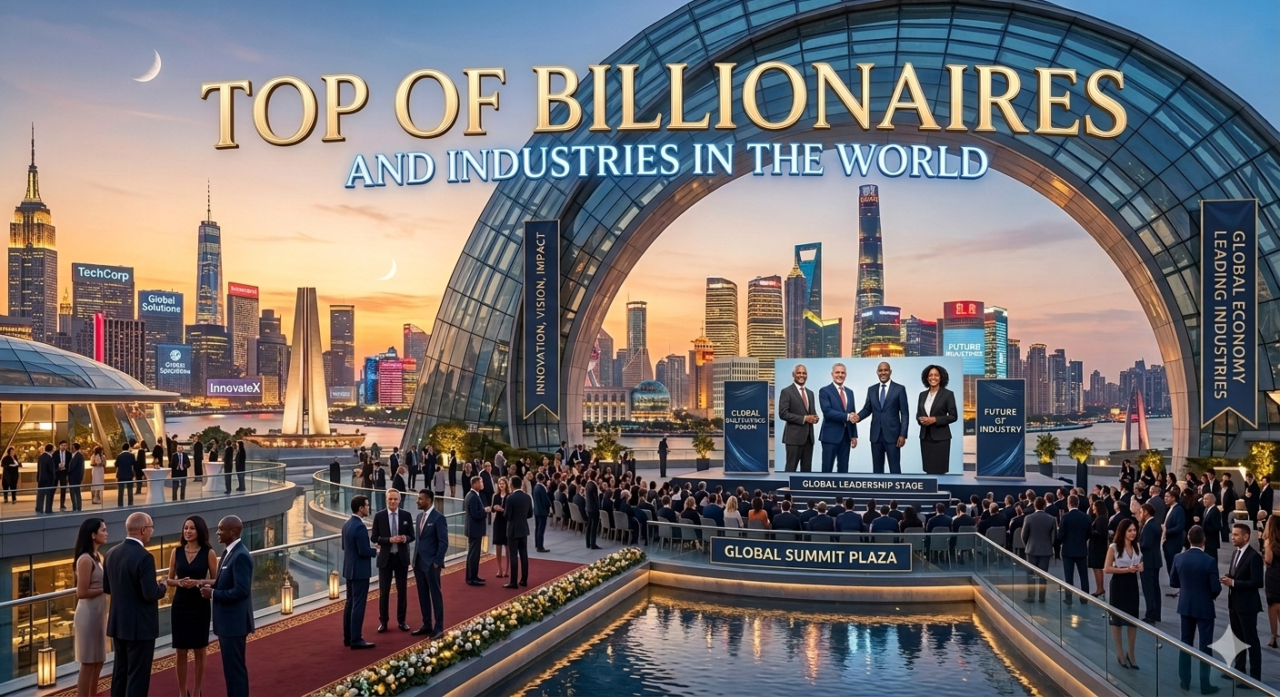

Dashboard
Elon Musk represents a major outlier in the automative sector ,significantly increasing the industry's total wealth value
TOP OF BILLIONAIRES AND THEIR INDUSTRIES IN THE WORLD
row Labels | Sum of finalWorth
Bernard Arnault & family | 211000
Elon Musk | 180000
Jeff Bezos | 114000
Final Worth
Larry Ellison | 107000
Warren Buffett | 106000
Bill Gates | 104000
Michael Bloomberg | 94500
Carlos Slim Helu & family | 93000
Mukesh Ambani | 83400
Steve Ballmer | 80700
Grand Total | 1173600

Row Labels | Count of Age
60-70 | 126
70-80 | 119
80-90 | 96
Count of Age
50-60 | 70
90-100 | 36
40-50 | 24
30-40 | 4
Grand Total | 475

